Jira
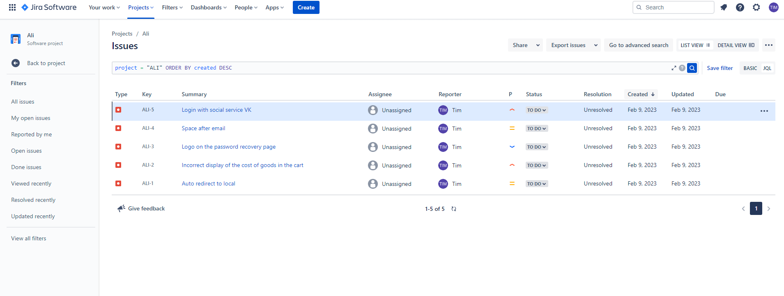
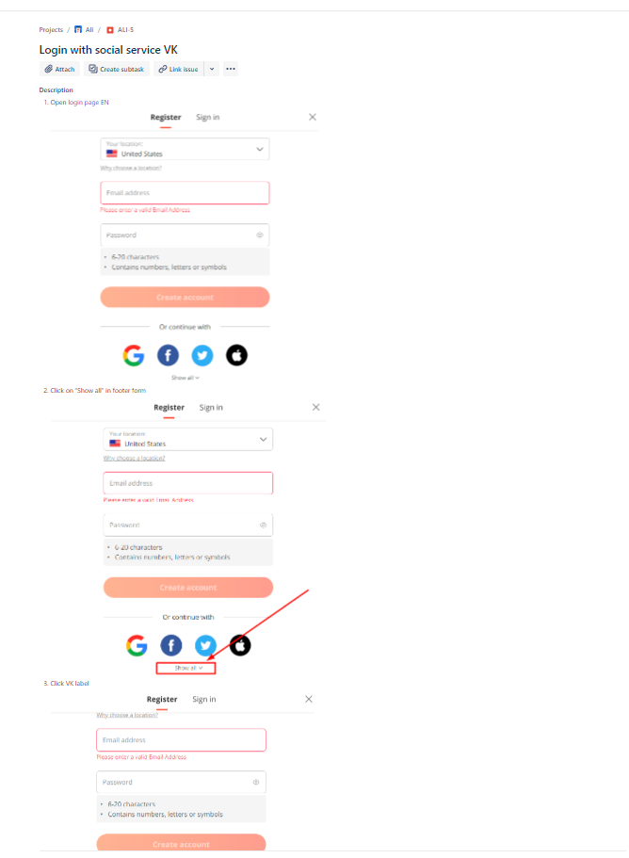
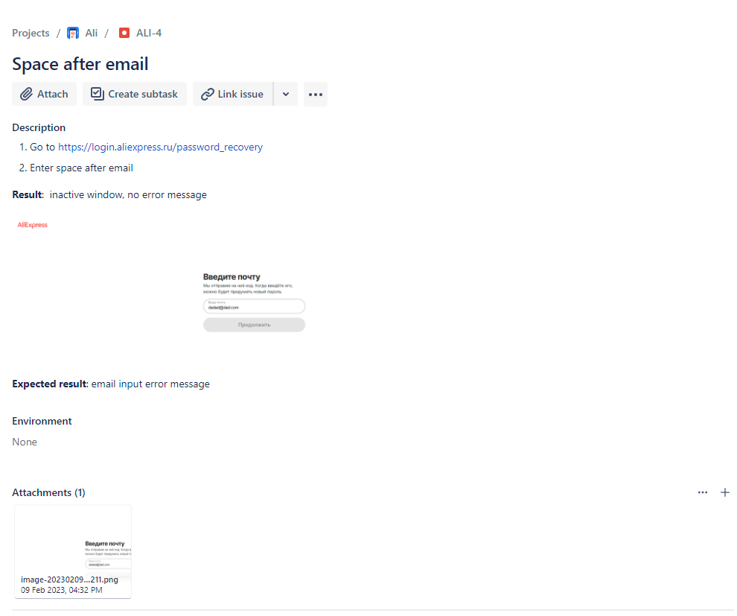
Артем, в джире завел 5 репортов. Основываясь на ответе в д.з. блока Jira
Создал новый проект, и использовал шаблон проекта как баг рапорты, а не Scrum как в прошлый раз.

